SIPOC -> Pre - expansion
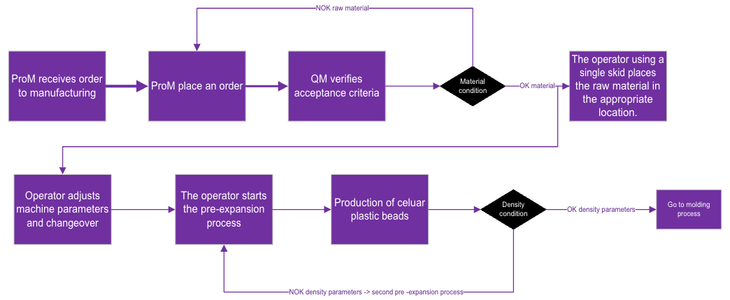
 | SIPOC -> Pre - expansion
 | Suppliers | Internal Inputs | External Inputs | Process | Internals Outputs | External Outputs | Customers
 | Production Manager (ProM) | Production order |  | Pre-expansion preparation | Polystyrene bead with expansion | Purchase order | Head of Molding area
 | Quality Manager (QM) |  | Change purshase order
 | Administrator / Sales |  | Raw material (polystyrene bead) |  |  |  | Molding operator
 | Pre-expansion operator | Skid |  |  | Production report sheet
 |  | Parameter sheet

